Detailed Cap Table
Grye Therapeutics, Inc.
Detailed Ownership Table - Directors and Officers |  |  |  |  |  |  |  | Preparer:
Holder Name |  | # of Common Shares | % of Common Shares | # of Fully Diluted Shares, Including vested options | % of Fully Diluted Shares | O&D Vested & Exercisable Options
Officers & Directors |  |  |  |  |  |  | NOTES / COMMENTS | Reviewer:
Ma, Songjiang | President & Board | 2,806,084 | 3.068% | 7,342,131 | 6.63% | 4,536,047 | Shares held by Spouse
Ying, Han | SVP Science | - | 0.000% | 0 | 0.00% | - | Being CEO till Aug 7, 2025
Chen, Ruoyu | CFO | - | 0.000% | 634,795 | 0.57% | 634,795
Ye, Weiguo | Chief Operating Officer | 700,000 | 0.765% | 1,802,615 | 1.63% | 1,102,615
Luo, Ying | CEO | 2,565,226 | 2.805% | 10,343,217 | 9.34% | 7,777,991 | part held by spouse
Eastling, Thomas | CFO | 15,000 | 0.016% | 386,229 | 0.35% | 371,229
 | Total Officers | 3,506,084 | 3.068% | 9,779,541 | 8.83% | 6,273,457

Epstein, David | Board | - | 0.000% | 43,955 | 0.04% | 43,955
Parry, Renate | Board | - | 0.000% | 44,577 | 0.04% | 44,577
Nussbaum, Rod | Board | - | 0.000% | 43,955 | 0.04% | 43,955
Carmichael, Gordon | Board | - | 0.000% | 44,577 | 0.04% | 44,577
Zhang, Ping | Board | - | 0.000% | 18,778 | 0.02% | 18,778
Dan Weng | Board | - | 0.000% | 8,667 | 0.01% | 8,667
Usman, Nassim (resigned 6/30/2024) | Board | 2,276 | 0.002% | 568,016 | 0.51% | 565,740
 | Total Directors | 3,521,084 | 3.08% | 10,361,612 | 9.37% | 6,840,528
Total Officers & Directors |  | 7,027,168 | 6.152% | 20,141,153 | 18.20% | 13,113,985

Capitalization Table (Summary View)
Description |  | # of Common Shares Equivalent | % of fully diluted
Common Shares OS 已发行普通股 |  | 91,466,285 | 68.50% | CORRECTED 9/25 TO REMOVE DUPLICATION OF BCI SHARES |  |  | 4,573,314.25
Cullgen common stock 普通股Cullgen |  | 14,450,527 | 10.82% | Added Cullgen common shares OS
BCI Shares Held by Futu Futu 持有的 BCI 股份 |  | 4,876,873 | 3.65% | This is deducted from EQ OS shares in D24
2025 BC Subplan shares transferred to Futu 2025 BC子计划转入Futu的股份 |  | 695,164 | 0.52% | Included 50,000 of Mr. Ye vested 03.2025 options; This will added by the monthly transfer to Futu and subtracted by the monthly exercise by BC employees.
Warrants for Convertible Preferred Stock 可转换优先股认股权证 |  | 540,666 | 0.40% | 8K filed 10/30/2023
Options Outstanding- Gyre 已发行期权- Gyre |  | 13,690,894 | 10.25% | See Tab "Option Plans Summary"; substracted the 2025 BC Subplan shares transferred to Futu options that was transferred to Futu in 12/25.
Options Available- Gyre 可发行期权- Gyre |  | 3,639,230 | 2.73% | See Tab "Option Plans Summary"
Options Outstanding- Cullgen 已发行期权- Cullgen |  | 4,156,815 | 3.11%
Options Available- Cullgen 可发行期权- Cullgen |  | 10,994 | 0.01%
Total Fully Diluted Shares Outstanding 完全摊薄已发行股份合计 |  | 133,527,448 | 100.00%
 |  |  |  |  |  | 19,262,931
Shares OS Reconciliation |  | Last month | New shares | EOM EQ Balance OS |  | 19,642,094 | (379,163)
Equinity Outstanding as of: | 2026-05-31 | 97,028,322 | 14,460,527 | 111,488,849 | see Exercises tab & Control Book

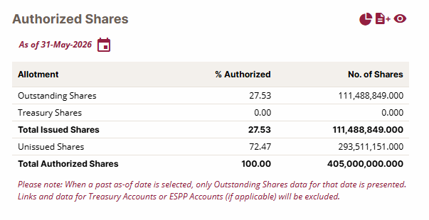
 |  |  |  |  |  | Total Options Outstanding | 19,262,931
 |  |  |  |  |  | Warrants | 540,666
 |  |  |  |  |  | Available for issuance | 3,639,230
 |  |  |  |  |  | Total Shares O/S + available | 23,442,827

5% Holders
Data from EDGAR SC13's @ | 05.31.26
133,527,448 | Fully Diluted cap table @
105,916,812 | Common Stock OS @
Shareholder’s Name | Common Stock * | Total CSEs ** | Percentage owned of the Class | Percentage Owned of fully diluted | SC13 file date & link
>5% Holders
GNI Group Ltd. ** | 72,773,219 | 86,323,015 | 68.71% | 64.648% | SC13D/A 1/22/2024 | Form 4 10/30/23
Songjiang Ma | 2,806,084 | 7,342,131 | 2.65% | 5.499% | SC13D 9/6/2024
Total >5% | 75,579,303 | 93,665,146 | 71.36% | 70.1%
* Owned common stock (non-derivatives)
** Common Stock Equivalents consist of common stock, preferred stock, warrants, and 60-day options

 |  |  |  |  | Common Stock Equivalents
(1) Consists of: (i) 417,768 shares of Common Stock (defined below), previously issued to GNI Group Ltd., a company incorporated under the laws of Japan with limited liability (“GNI Japan”), and GNI Hong Kong Limited, a company incorporated under the laws of Hong Kong with limited liability (“GNI Hong Kong”), in a private issuance pursuant to that certain Asset Purchase Agreement, dated December 26, 2022, as amended on March 29, 2023 (the “F351 Agreement”) and transferred to GNI USA, Inc., a Delaware corporation (“GNI USA”) in a reorganization among GNI Japan related parties (the “Reorganization”), (ii) 8,226,666 shares of Common Stock issued upon conversion of 12,340 shares of Convertible Preferred Stock (defined below), which were previously issued to GNI Japan and GNI Hong Kong in a private issuance pursuant to the F351 Agreement and transferred to GNI USA in the Reorganization, (iii) 63,588,119 shares of Common Stock issued to GNI USA pursuant to that certain Business Combination Agreement, dated as of December 26, 2022 and as amended on March 29, 2023 and August 30, 2023 (the “Business Combination Agreement”), (iv) 540,666 shares of Common Stock issued upon conversion of 811 shares of Convertible Preferred Stock, which were issued to GNI USA in a private placement (the “Private Placement”) pursuant to that certain Securities Purchase Agreement, dated October 27, 2023 and (v) 540,666 shares of Common Stock issuable upon conversion of 811 shares of Convertible Preferred Stock underlying the warrants issued to GNI USA in the Private Placement. |  |  |  |  | 417,768 | stock
 |  |  |  |  | 8,226,666 | stock
 |  |  |  |  | 63,588,119 | stock
 |  |  |  |  | 540,666 | stock
 |  |  |  |  | 72,773,219 |  | 68.71%
 |  |  |  |  | 540,666 | derivative
 |  |  |  |  | 2,290,600 | derivative- Cullgen
 |  |  |  |  | 10,718,530 | derivative- Cullgen
 |  |  |  |  | 86,323,015 | total SC13D/A | sec.gov/Archives/edgar/data/1124105/000114036126019380/xslSCHEDULE_13D_X02/primary_doc.xml

 |  |  |  |  | 68,814,481.000 | shares owned on SH list 3/31/26
 |  |  |  |  | 3,958,738.000 | Difference owned by GNI Japan
 |  |  |  |  | GNI USA percentage | 64.97%
Cullgen convertible preferred stock: 2,290,600 and 10,718,530 shares of common stock issued upon conversion of 458,120 and 2,143,706 shares of preferred stcok |  |  |  |  | GNI Japan Percentage | 3.74%

Songjiang Ma
Represents (i) 4,514,380 shares underlying the options directly held by Mr. Ma that are exercisable within 60 days after the date hereof and (ii) 2,942,467 shares directly held by Yueying Zhu (“Ms. Zhu”), the spouse of Mr. Ma.
 |  |  |  |  |  |  | Actual OS Total
 |  |  |  |  | stock | 2,806,084 | 2,806,084 | 2.65%
 |  |  |  |  | options (60-day) | 4,536,047 | 4,536,047
 |  |  |  |  | total | 7,342,131 | 7,342,131
Ying Luo
Represents (i) 3,355,852 shares underlying the options directly held by Mr. Luo that are exercisable within 60 days after the date hereof, (ii) 2,840,376 shares directly held by Ping Lan (“Ms. Lan”), the spouse of Mr. Luo, and (iii) 2,262,755 shares underlying the options directly held by Ms. Lan that are exercisable within 60 days after the date hereof.

 |  |  |  |  | stock | 2,565,226 | 2,565,226 | 2.42%
 |  |  |  |  | options (60-day) | 7,777,991 | 7,777,991
 |  |  |  |  | total | 10,343,217 | 10,343,217

Mizuho securities

 |  |  |  |  |  |  |  |  | 1,750,000

Nomura securities

 |  |  |  |  |  |  |  |  | 1,408,739

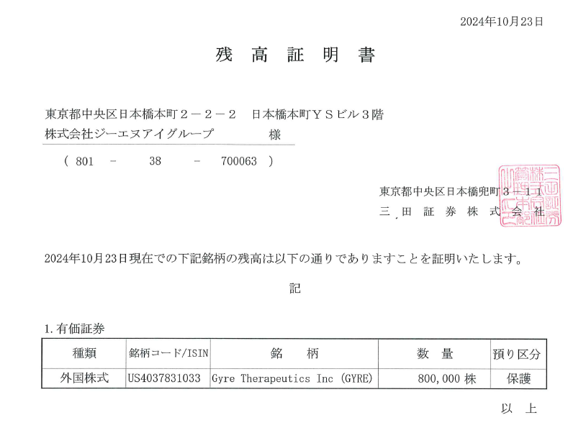
Mita Securities
 |  |  |  |  |  |  |  |  | 800,000

 |  |  |  |  |  |  |  |  | 3,958,739

 |  |  |  |  |  |  |  | Total

Futu sold shares
姓名 | 工号 | 牛牛号 | 用户ID | 在职状态 | 关联人士身份 | 财产转让所得税 | 出售总数量 | 成交总数量 | 成交总金额（美元） | 财产转让所得总应税收入（美元） | 财产转让所得总应纳税额（美元） | 交易总费用（美元） | 成交净值（美元） | 授予成本（美元） | 行权/归属手续费（美元） | 本期合计代扣税额（美元） | 本期合计代扣税额（人民币） | 现金净收益(美元)
李巍 | K00003 | 26219737 | 12942000006 | 在职 | 否 | 员工可见 | 9,899 | 9,899 | 100,726.68 | 0.00 | 0.00 | 131.51 | 100,595.17 | 15,750.00 | 0.00 | 55,038.40 | 392,271.53 | 29,806.77
何星辉 | K00105 | 26789748 | 12942000041 | 在职 | 否 | 员工可见 | 6,899 | 6,899 | 87,501.78 | 0.00 | 0.00 | 92.63 | 87,409.15 | 12,781.50 | 0.00 | 62,809.47 | 449,372.92 | 11,818.18
褚振辉 | K00125 | 26415741 | 12942000034 | 在职 | 否 | 员工可见 | 10,573 | 10,573 | 98,033.61 | 0.00 | 0.00 | 140.11 | 97,893.50 | 18,000.00 | 0.00 | 57,350.70 | 412,143.57 | 22,542.80
朱庆梅 | K00126 | 26311403 | 12942000025 | 在职 | 否 | 员工可见 | 3,041 | 3,041 | 25,028.67 | 0.00 | 0.00 | 39.90 | 24,988.77 | 7,500.00 | 0.00 | 15,614.45 | 112,186.70 | 1,874.32
赵荣 | K00161 | 26368561 | 12942000018 | 在职 | 否 | 员工可见 | 18,000 | 18,000 | 186,223.10 | 12,418.87 | 2,483.78 | 238.39 | 185,984.71 | 6,000.00 | 0.00 | 19,905.42 | 142,720.10 | 160,079.29
闫瑞萍 | K00182 | 28680089 | 12942000051 | 在职 | 否 | 员工可见 | 44,718 | 44,718 | 373,406.97 | 0.00 | 0.00 | 586.67 | 372,820.30 | 60,000.00 | 0.00 | 259,920.00 | 1,867,473.21 | 52,900.30
樊雪 | K00218 | 26793836 | 12942000046 | 离职 | 否 | 员工可见 | 9,468 | 9,468 | 111,603.65 | 0.00 | 0.00 | 126.98 | 111,476.67 | 7,101.00 | 0.00 | 29,293.42 | 210,552.29 | 75,082.25
曹琳 | K00220 | 26597991 | 12942000042 | 在职 | 否 | 员工可见 | 36,285 | 36,285 | 424,864.79 | 0.00 | 0.00 | 488.51 | 424,376.28 | 27,213.75 | 0.00 | 143,867.86 | 1,032,792.45 | 253,294.67
何红伟 | K00235 | 26729055 | 12942000058 | 在职 | 否 | 员工可见 | 192,075 | 165,600 | 1,336,788.95 | 4,730.75 | 946.16 | 2,181.46 | 1,334,607.49 | 34,399.50 | 0.00 | 143,554.97 | 1,018,947.54 | 1,156,653.02
于小越 | K00236 | 26735376 | 12942000045 | 在职 | 否 | 员工可见 | 27,006 | 26,418 | 220,334.95 | 17.92 | 3.58 | 356.51 | 219,978.44 | 10,051.50 | 0.00 | 38,680.59 | 275,264.12 | 171,246.35
胡帅 | K00245 | 26479081 | 12942000002 | 在职 | 否 | 员工可见 | 252 | 252 | 2,623.40 | 0.00 | 0.00 | 3.36 | 2,620.04 | 1,200.00 | 0.00 | 1,203.80 | 8,652.56 | 216.24
冯伟卫 | K00263 | 26467750 | 12942000001 | 在职 | 否 | 员工可见 | 44,740 | 44,740 | 478,016.81 | 0.00 | 0.00 | 596.96 | 477,419.85 | 23,137.50 | 0.00 | 126,440.10 | 905,941.76 | 327,842.25
王斌 | K00267 | 26397643 | 12942000020 | 离职 | 否 | 员工可见 | 6,042 | 6,042 | 65,560.90 | 0.00 | 0.00 | 80.92 | 65,479.98 | 0.00 | 0.00 | 0.00 | 0.00 | 65,479.98
刘兆辉 | K00285 | 26288323 | 12942000013 | 在职 | 否 | 员工可见 | 89,895 | 87,145 | 967,041.93 | 31,733.93 | 6,346.78 | 1,177.06 | 965,864.87 | 53,058.75 | 0.00 | 322,879.47 | 2,314,173.69 | 589,926.65
汪雯 | K00287 | 40001303 | 12942000050 | 在职 | 否 | 员工可见 | 7,053 | 7,053 | 55,850.99 | 0.00 | 0.00 | 92.34 | 55,758.65 | 5,625.00 | 0.00 | 19,462.27 | 137,862.64 | 30,671.38
隋永杰 | K00306 | 26291840 | 12942000011 | 离职 | 否 | 员工可见 | 13,035 | 10,100 | 115,082.25 | 3,026.88 | 605.38 | 134.49 | 114,947.76 | 0.00 | 0.00 | 0.00 | 0.00 | 114,947.76
李晓莉 | K00307 | 26277842 | 12942000048 | 在职 | 否 | 员工可见 | 17,936 | 17,936 | 144,452.60 | 7,150.25 | 1,430.04 | 234.94 | 144,217.66 | 0.00 | 0.00 | 0.00 | 0.00 | 144,217.66
张洪 | K00331 | 26793941 | 12942000030 | 在职 | 否 | 员工可见 | 85,179 | 66,839 | 731,151.48 | 31,301.81 | 6,260.36 | 893.17 | 730,258.31 | 37,124.25 | 0.00 | 219,149.99 | 1,569,981.07 | 473,984.07
施宏 | K00352 | 26365125 | 12942000047 | 在职 | 否 | 员工可见 | 200 | 200 | 1,685.00 | 0.00 | 0.00 | 4.62 | 1,680.38 | 150.00 | 0.00 | 46.23 | 332.15 | 1,484.15
田杨威 | K00353 | 26571073 | 12942000049 | 在职 | 否 | 员工可见 | 5,500 | 5,500 | 64,516.00 | 3,913.82 | 782.76 | 73.62 | 64,442.38 | 2,625.00 | 0.00 | 6,847.07 | 48,699.06 | 54,970.31
朱雁岷 | K00364 | 26800466 | 12942000024 | 离职 | 否 | 员工可见 | 9,468 | 9,468 | 102,318.55 | 0.00 | 0.00 | 125.29 | 102,193.26 | 7,101.00 | 0.00 | 28,604.76 | 203,716.04 | 66,487.50
刘淇嘉 | K00373 | 26559348 | 12942000040 | 离职 | 否 | 员工可见 | 174,259 | 172,016 | 1,374,426.24 | 0.00 | 0.00 | 2,246.02 | 1,358,868.22 | 229,908.00 | 0.00 | 946,535.99 | 6,705,903.56 | 182,424.23
范玲娜 | K00381 | 26241911 | 12942000003 | 离职 | 否 | 员工可见 | 7,368 | 7,368 | 112,598.41 | 0.00 | 0.00 | 117.71 | 112,480.70 | 7,101.00 | 0.00 | 30,409.47 | 216,349.50 | 74,970.23
汪兰 | K00401 | 26648271 | 12942000054 | 离职 | 否 | 员工可见 | 9,658 | 9,468 | 104,127.38 | 0.00 | 0.00 | 130.45 | 103,996.93 | 7,101.00 | 0.00 | 18,403.93 | 131,837.56 | 78,492.00
庄金皓 | K00423 | 26205428 | 12942000037 | 在职 | 否 | 员工可见 | 8,900 | 8,900 | 69,970.74 | 0.00 | 0.00 | 116.62 | 69,854.12 | 4,125.00 | 0.00 | 8,715.80 | 61,698.28 | 57,013.32
陈建麒 | K00456 | 26758648 | 12942000015 | 在职 | 否 | 员工可见 | 3,079 | 3,079 | 36,971.58 | 0.00 | 0.00 | 41.28 | 36,930.30 | 7,101.00 | 0.00 | 24,227.16 | 172,618.54 | 5,602.14
战伟霞 | K00476 | 26438053 | 12942000039 | 在职 | 否 | 员工可见 | 2,500 | 2,500 | 20,548.83 | 0.00 | 0.00 | 32.73 | 20,516.10 | 0.00 | 0.00 | 0.00 | 0.00 | 20,516.10
陈嘉人 | K00498 | 26857317 | 12942000005 | 离职 | 否 | 员工可见 | 47,338 | 47,338 | 428,096.04 | 0.00 | 0.00 | 625.83 | 427,470.21 | 35,503.50 | 0.00 | 122,293.36 | 878,810.95 | 269,673.35
王瑜 | K00536 | 26527143 | 12942000060 | 离职 | 否 | 员工可见 | 3,168 | 3,168 | 39,297.88 | 0.00 | 0.00 | 46.56 | 39,251.32 | 7,101.00 | 0.00 | 25,593.04 | 182,263.38 | 6,557.28
姬喆 | K00576 | 29184131 | 12942000055 | 离职 | 否 | 员工可见 | 4,734 | 4,734 | 59,359.55 | 0.00 | 0.00 | 63.76 | 59,295.79 | 3,550.50 | 0.00 | 10,312.22 | 73,344.68 | 45,433.07
刘一 | K00619 | 26340945 | 12942000009 | 离职 | 否 | 员工可见 | 59,679 | 56,274 | 709,261.87 | 7,587.58 | 1,517.52 | 772.90 | 708,488.97 | 26,025.00 | 0.00 | 130,348.59 | 927,760.41 | 552,115.38
章莉 | K00675 | 26591702 | 12942000032 | 离职 | 否 | 员工可见 | 26,277 | 25,561 | 258,275.11 | 0.00 | 0.00 | 342.40 | 257,932.71 | 19,170.75 | 0.00 | 77,259.98 | 555,086.98 | 161,501.98
姚黠 | K00693 | 26177698 | 12942000026 | 在职 | 否 | 员工可见 | 1,646 | 1,646 | 20,655.42 | 0.00 | 0.00 | 23.39 | 20,632.03 | 3,550.50 | 0.00 | 8,934.94 | 63,649.69 | 8,146.59
罗灵芝 | ZB0050 | 7479316 | 12942000014 | 在职 | 否 | 员工可见 | 14,679 | 14,225 | 164,230.96 | 2,125.04 | 425.02 | 191.78 | 164,039.18 | 8,172.00 | 0.00 | 39,725.04 | 283,030.66 | 116,142.14
 |  |  |  |  |  |  |  | 942,453

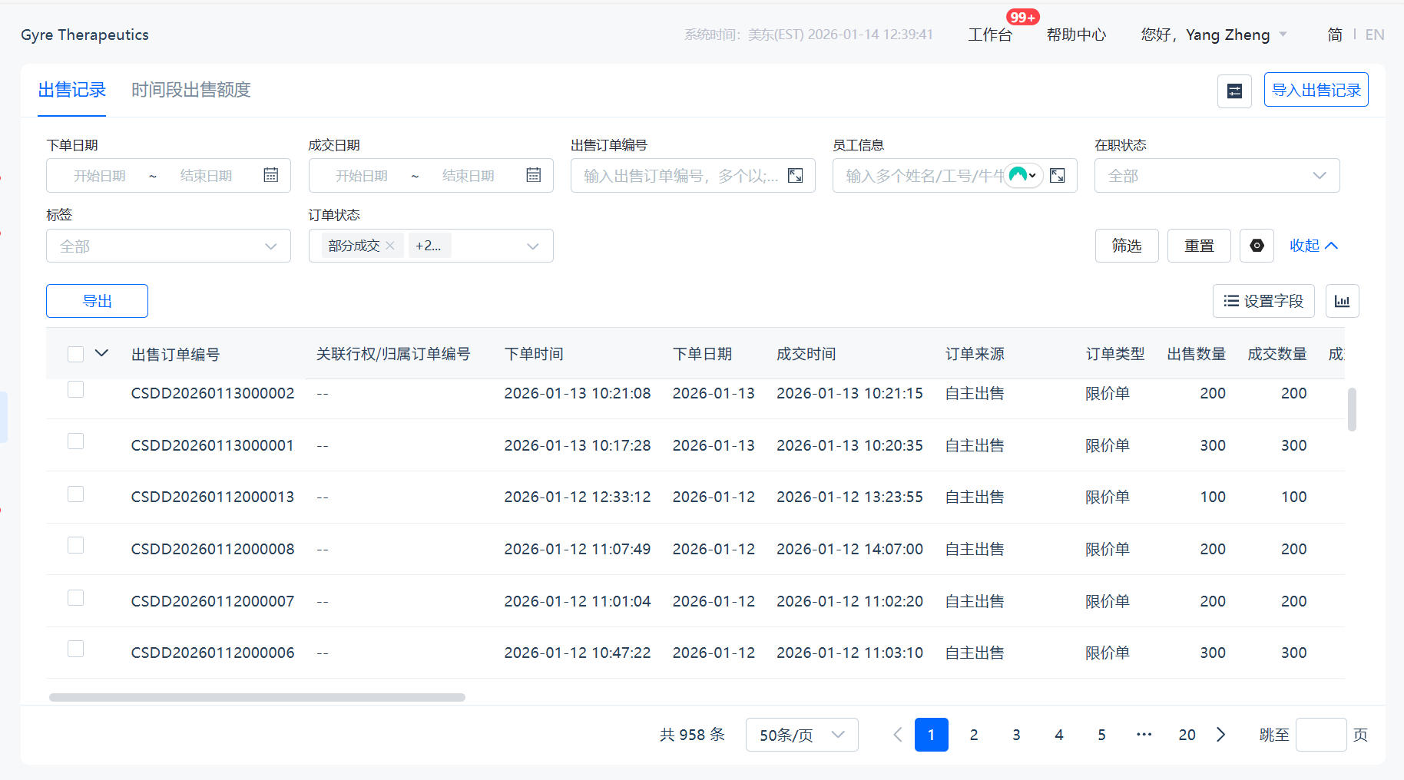
Note: This report is ran quarterly to calculate the public float.

OpEx new shares in period
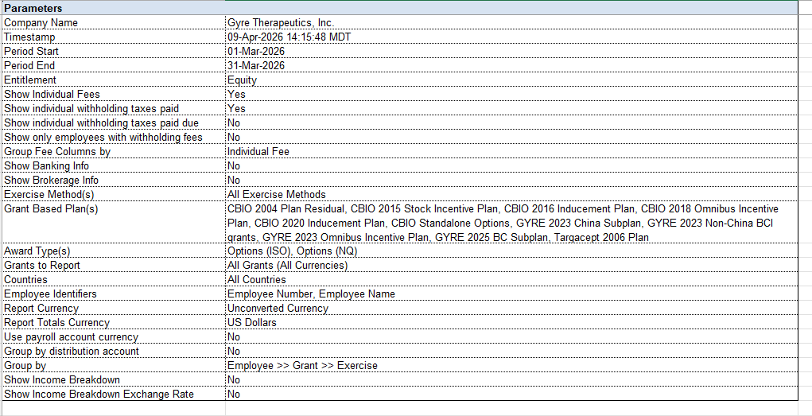
Gyre Therapeutics, Inc. - Payroll Exercise Report with Delivery Information
First Name | Last Name | Grant Name | Grant Date | Employee Grant Number | Exercise Entry Date | Transaction Date | Settlement Date | Quantity Exercised |  |  | Cost of Options |  | Grant Price | Market Price at Time of Grant | Fair Market Value | Sale Price | Stock Option Benefit | Taxable Compensation | Total Fair Market Value | Capital Gain/Loss | Sale Proceeds | Company Proceeds | Net Proceeds to Participant
 |  |  |  |  |  |  |  | Total | Sold | Issued(Sold+Held) | Due | Excess Paid
No records found

S. MA
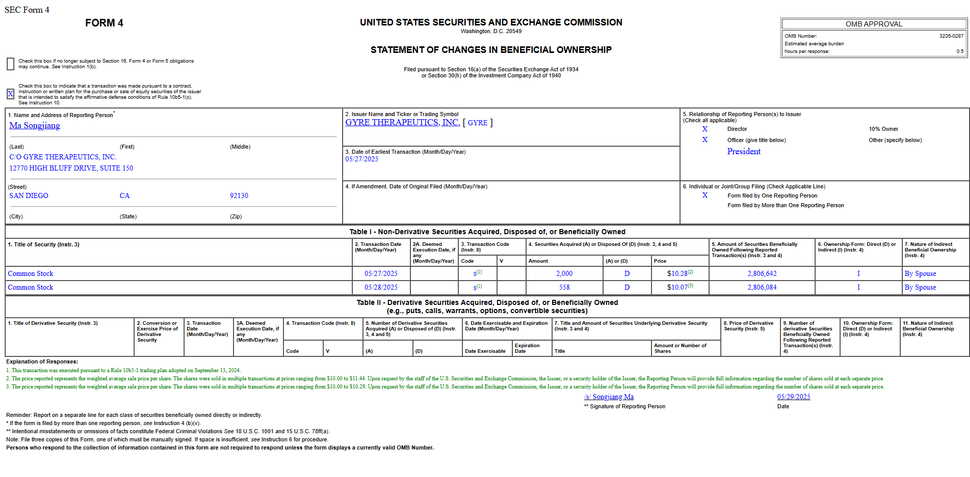
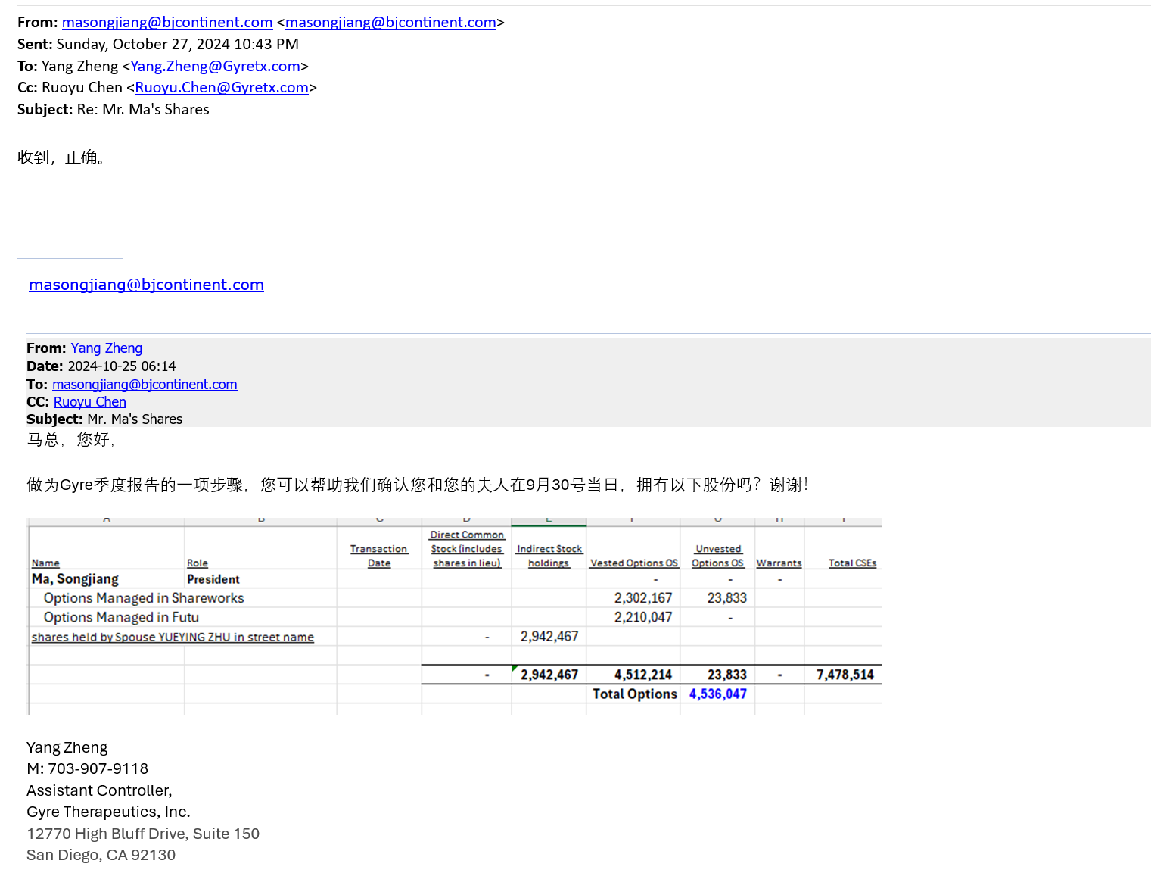
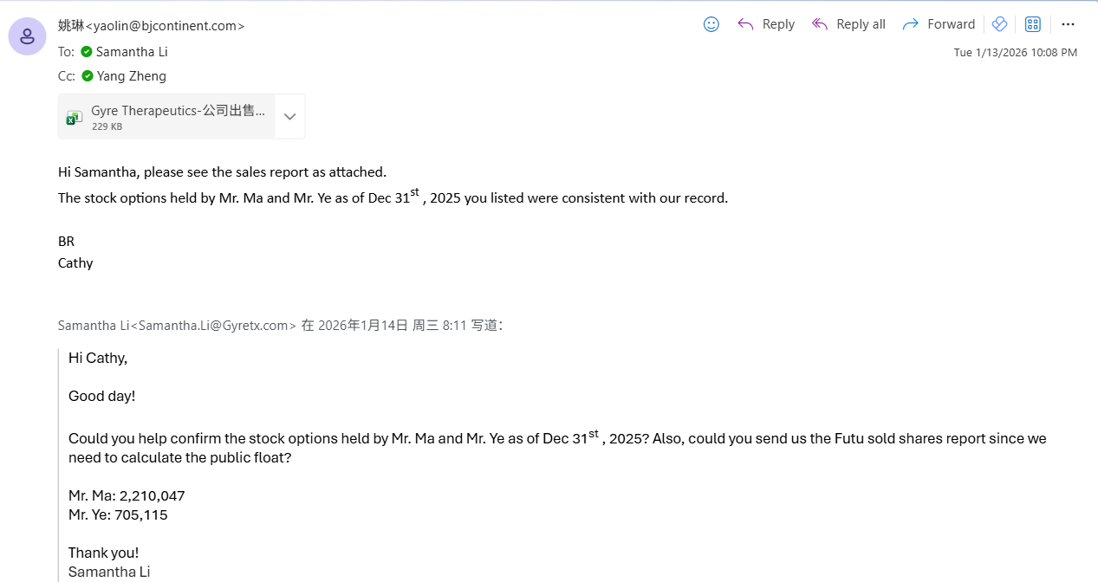
Name | Role | Transaction Date | Direct Common Stock (includes shares in lieu) | Indirect Stock holdings | Vested Options OS | Unvested Options OS | Warrants | Total CSEs
Ma, Songjiang | President |  |  |  | - | - | - |  | Form 4 11/20/2023 options
Options Managed in Shareworks |  |  |  |  | 2,326,000 | - |  |  | Form 4 8/14/2024
Options Managed in Futu |  |  |  |  | 2,210,047 | - |  |  | SC13D 9/6/2024,
shares held by Spouse YUEYING ZHU in street name |  |  | - | 2,806,084 |  |  |  |  | SEC FORM 4

 |  |  | - | 2,806,084 | 4,536,047 | - | - | 7,342,131
 |  |  |  |  | Total Options | 4,536,047

 |  | Orig BCI shares |  |  | 4,510,047
 |  | Moved to Shareworks |  |  | (2,300,000)
 |  | Options in Futu should be |  |  | 2,210,047

W. YE
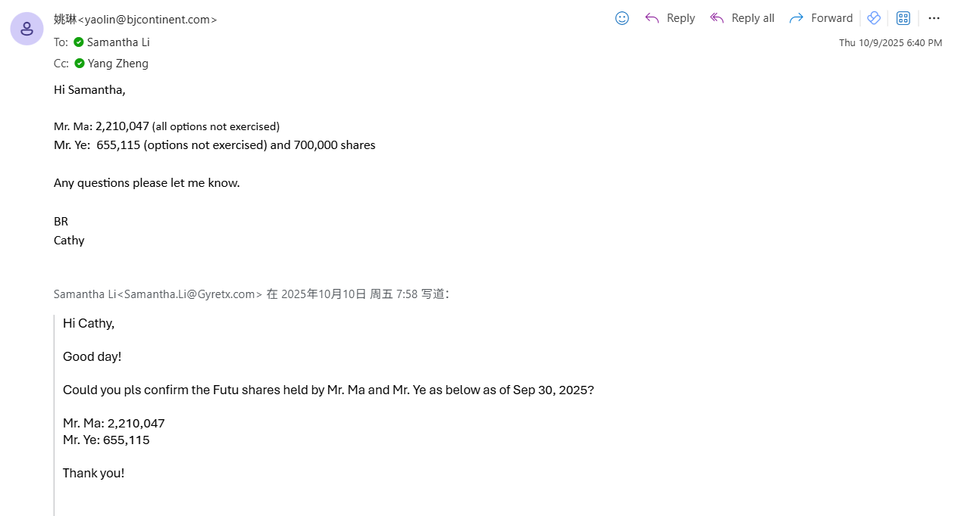
Name | Role | Transaction Date | Direct Common Stock (includes shares in lieu) | Indirect Stock holdings | Vested Options OS | Unvested Options OS | Warrants | Total CSEs
Ye, Weiguo | Chief Operating Officer |  |  |  | - |  | - |  | Form 4 11/20/2023
Options Managed in Shareworks |  |  |  |  | 397,500 | 462,500
Options Managed in Futu |  |  |  |  | 705,115 |  | -
 |  |  | 700,000 |  |  |  |  |  | April 50,000 exercised in Futu | SEC FORM 4

 |  |  | 700,000 | - | 1,102,615 | 462,500 | - | 2,265,115

Options held in China CMBI

March exercise

April exercise

Z. PING

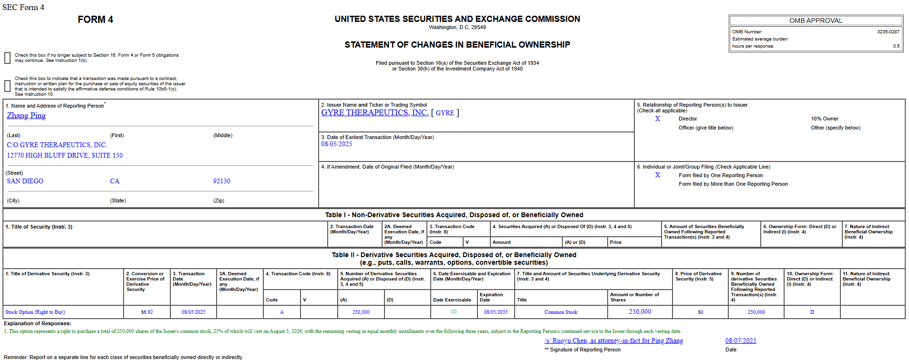
Name | Role | Transaction Date | Direct Common Stock (includes shares in lieu) | Indirect Stock holdings | Vested Options OS | Unvested Options OS | Warrants | Total CSEs
Ping, Zhang | Executive Chair |  |  |  | 23,111 | 378,889 | - |  | SEC FORM 4 1/7/2025 | SEC FORM 4 5/27/2025 | SEC FORM 4

 |  |  | - | - | 23,111 | 378,889 | - | 402,000

Effective | Expires
2024-01-15

Y. LUO
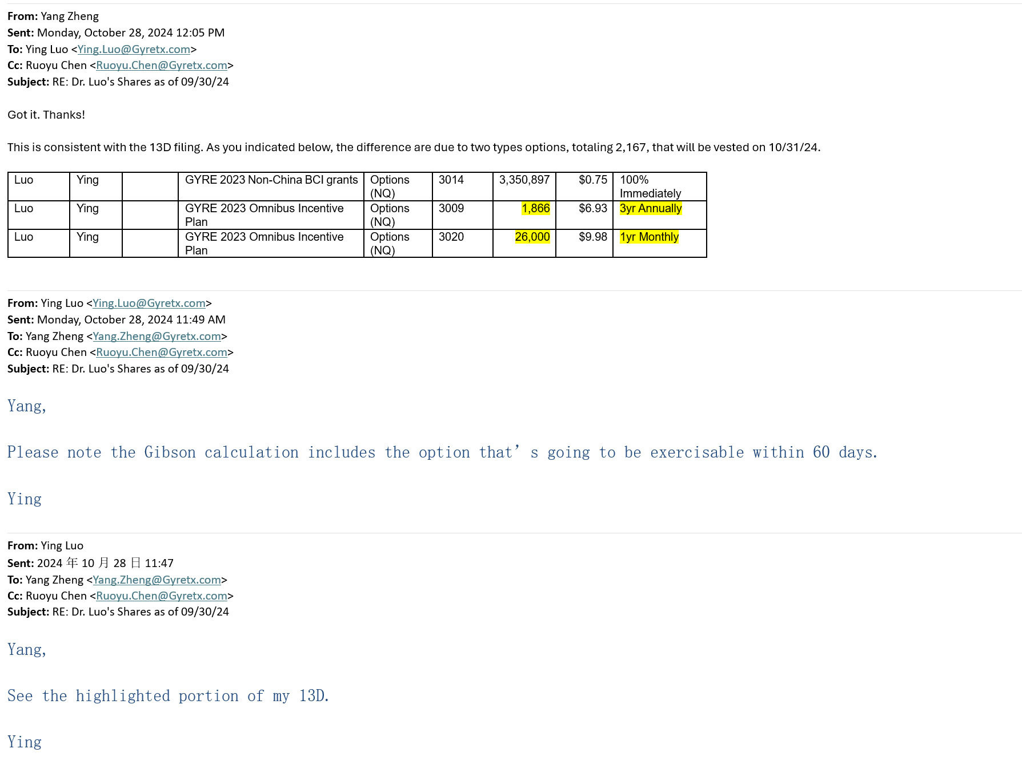
Name | Role | Transaction Date | Direct Common Stock (includes shares in lieu) | Indirect Stock holdings | Vested Options OS | Unvested Options OS | Warrants | Total CSEs
Luo, Ying | Director |  |  |  | 3,378,763 | - | - |  | Form 4 10/30/2023 | SC13D 9/6/2024 | Form 4 8/14/2024
By Spouse Lan Ping | Indirect Holding | 11/20/2023 |  | 2,565,226 | 2,262,755 |  |  |  |  | SEC FORM 4
Cullgen |  |  |  |  | 2,136,473

 |  |  | - | 2,565,226 | 7,777,991 | - | - | 10,211,387 | Per 13D filing | sec.gov/Archives/edgar/data/1124105/000114036126019388/xslSCHEDULE_13D_X02/primary_doc.xml

